Sheet1
ID | SMILES | Molecular Weight | Mol
G001 | CC(C1=CC(C)=CC=C1N2C)(C(C=C(C3=CC=CC=C3)O4)C5=C4C(C=CC=C6)=C6OC5=O)C2=O | 449.51 | 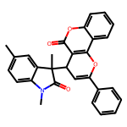
G002 | CC(C1=CC(C)=CC=C1N2C)(C(C=C(C3=CC=CC=C3)O4)C5=C4C(C=C(C)C=C6)=C6OC5=O)C2=O | 463.53 | 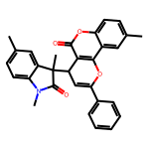
G003 | CC(C1=CC(C)=CC=C1N2C)(C(C=C(C3=CC=CC=C3)O4)C5=C4C(C=CC(C)=C6)=C6OC5=O)C2=O | 463.53 | 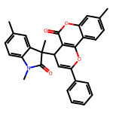
G004 | O=C(CC(C#CC1=CC=CC=C1)C2C=C(C3=CC=CC=C3)C(O2)=O)C4=CC=CC=C4 | 392.45 | 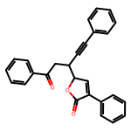
G005 | O=C(CC(C#CCCCCC)C1C=C(C2=CC=CC=C2)C(O1)=O)C3=CC=CC=C3 | 386.49 | 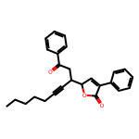
G006 | O=C1C=CC=CN1C(/C=C(COC)/C2=CC=CC=C2)=C3C(C=CC=C4)=C4NC/3=O | 384.44 | 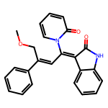
G007 | O=C1C=CC=CN1C(/C=C(C)/C2=CC=CC=C2)=C3C(C=CC=C4)=C4N(CC5=CC=CC=C5)C/3=O | 444.53 | 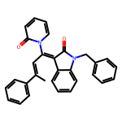
G008 | O=C(OCC1=CC=CC=C1)CCC(C2=CC=CC=C2)C3=CC=NC=C3 | 331.42 | 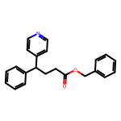
G009 | O=C(NC1=CC=C(Cl)C=C1)CCC(C2=CC=CC=C2)C3=NC=CC=C3 | 350.85 | 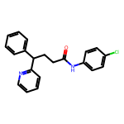
G010 | O=C(NC1=CC=C(C(C=CC=C2)=C2O3)C3=C1)CCC(C4=CC=CC=C4)C5=NC=CC=C5 | 406.49 | 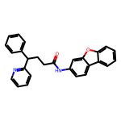
G011 | O=C1N(CC2=CC=CC=C2)C3=CC=CC=C3[C@]1([C@@H]4OC(C(C5=CC=CC(Cl)=C5)=C4)=O)O | 431.88 | 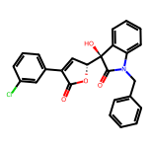
G012 | O=C1N(CC2=CC=CC=C2)C3=CC=C(C)C=C3[C@]1([C@@H]4OC(C(C5=CC=CC=C5)=C4)=O)O | 411.46 | 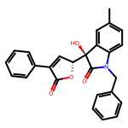
G013 | O=C1N(CC2=CC=CC=C2)C3=CC=C(OC)C=C3[C@]1([C@@H]4OC(C(C5=CC=CC=C5)=C4)=O)O | 427.46 | 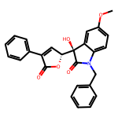
G014 | O=C1NC2=C(C=CC=C2Cl)[C@@]1([C@H](C=C3C4=CC=CC=C4)OC3=O)C(C#N)C#N | 389.8 | 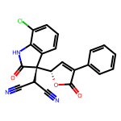
G015 | O=C1NC2=C(C=CC=C2)[C@@]1([C@H](C=C3C4=CC=C(Cl)C=C4)OC3=O)C(C#N)C#N | 389.8 | 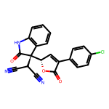
G016 | O=C1NC2=C(C=C(F)C=C2)[C@@]1([C@H](C=C3C4=CC=CC=C4)OC3=O)C(C#N)C#N | 373.34 | 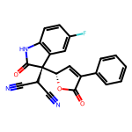
G017 | O=C1N(CC2=CC=CC=C2)C3=CC=CC(Br)=C3[C@]1(O)[C@@]4(C(OCC5=CC=CC=C5)=O)CC(C=CC=C6)=C6O4 | 570.44 | 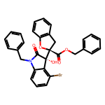
G018 | O=C1N(C(C2=CC=CC=C2)(C3=CC=CC=C3)C4=CC=CC=C4)C5=CC=CC=C5[C@]1(O)[C@@]6(C(OC)=O)CC(C=CC=C7)=C7O6 | 567.64 | 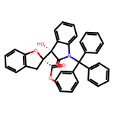
G019 | O=C(NCCN1CCOCC1)C2(C#N)CC(C(C3=CC=C(Cl)C=C3)N2C4=CC=C(Cl)C=C4)C5=CC=CC=C5 | 549.5 | 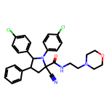
G020 | O=C(OC1=C(C)C=CC=C1C)[C@]2(C#N)C[C@@H]([C@@H](C3=CC=CC=C3)N2C4=CC=C(Br)C=C4)C5=CC=CC=C5 | 551.48 | 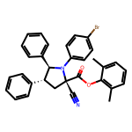
G021 | O=C1C(C(C2=CC=CC=C2)([H])/C=C(OCC3=CC=CC=C3)/C(OC4=C(C)C=CC=C4C)=O)(O)C5=CC([N+]([O-])=O)=CC=C5N1CC6=CC=CC=C6 | 654.72 | 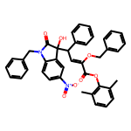
G022 | BrC(C=C1)=CC=C1C([C@](C2=CC=CC=C2)(C(OC)=O)C3=CN(CC4=CC=CC=C4)C5=CC(F)=CC=C53)NC(C6=CC=CC=C6)C7=CC=CC=C7 | 723.69 | 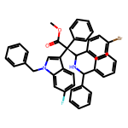
G023 | CN1C2=CC=CC=C2C([C@@](C3=CC=CC=C3)(C(OC)=O)C(C4=CC=C(C(F)(F)F)C=C4)NC(C5=CC=CC=C5)C6=CC=CC=C6)=C1 | 618.7 | 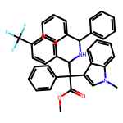
G024 | CN1C2=CC=CC=C2C([C@](C3=CC=CC(OC)=C3)(C(OC)=O)C(C4=CC=C(C(F)(F)F)C=C4)NCC5=CC=CC=C5)=C1 | 572.63 | 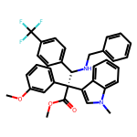
G025 | CN1C2=CC=C(C)C=C2[C@]([C@@H](C#CC3=CC=CC=C3)C4=C(C)NC5=C4C=C(C(C)C)C=C5)([H])C1=O | 446.59 | 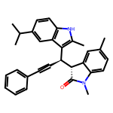
G026 | CN1C2=CC=C(C)C=C2[C@]([C@@H](C#CC3=CC=C(Cl)C=C3)C4=C(C)NC5=C4C=CC=C5)([H])C1=O | 438.96 | 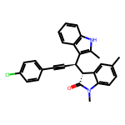
G027 | CN1C2=CC=CC=C2[C@]([C@@H](C#CC3=CC=CC=C3)C4=C(C)NC5=C4C=CC=C5)([H])C1=O | 390.49 | 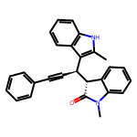
G028 | CN1C2=CC=C(C)C=C2[C@]([C@@H](C#CCCCCC)C3=C(C)NC4=C3C=CC=C4)([H])C1=O | 398.55 | 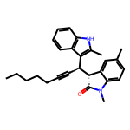
G029 | CN1C2=CC=C(OCC3=CC=CC=C3)C=C2[C@]([C@@H](C#CC4=CC=CC=C4)C5=C(C)NC6=C5C=CC=C6)([H])C1=O | 496.61 | 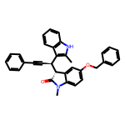
G030 | O=C(OC(C)(C)C)[C@@](C1=CC=CC=C1)(OCC2=CC=C(Br)C=C2)[C@@H](C3=C(C)NC4=C3C=CC=C4)C#CC5=C(F)C=CC=C5 | 638.58 | 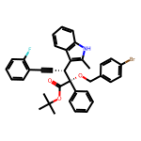
G031 | O=C(OC(C)(C)C)[C@@](C1=CC=CC=C1)(OCC2=CC=CO2)[C@@H](C3=C(C)NC4=C3C=CC=C4)C#CC5=CC=CC=C5 | 531.65 | 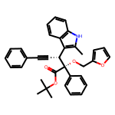
G032 | O=C(OC(C)(C)C)[C@@](C1=CC=CC=C1)(OCC2=CC=C(Br)C=C2)[C@@H](C3=C(C)NC4=C3C=C(SC5=CC=C(C)C=C5)C=C4)C#CC6=CC=CC=C6 | 742.78 | 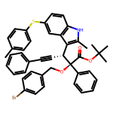
G033 | O=C(OC(C)(C)C)[C@@](C1=CC=CC=C1)(OCC=C)[C@@H](C2=C(C)NC3=C2C=CC=C3)C#CC4=CC=CC=C4 | 491.63 | 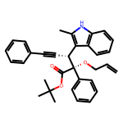
G034 | CN1C2=CC=CC=C2C([C@](C3=CC=CC=C3)(C(OC)=O)C(C4=CC=C(Br)C=C4)NC(C5=CC=CC=C5)C6=CC=CC=C6)=C1 | 629.6 | 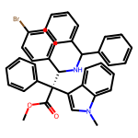
G035 | CN1C2=CC=CC=C2C3=C1CN[C@H](C4=CC=C(I)C=C4)[C@]3(C(OC)=O)C5=CC=CC=C5 | 522.39 | 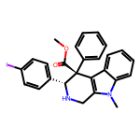
G036 | O=C1N(C2=CC(C)=CC=C2)[C@]3(C(C=CC=C4)=C4N(CC5=CC=CC=C5)C3=O)[C@@]1(C)N6C(C)=CC(C)=N6 | 476.58 | 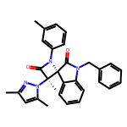
G037 | O=C1N(C2=CC=CC=C2)[C@]3(C(C=CC(Cl)=C4)=C4N(CC5=CC=CC=C5)C3=O)[C@@]1(C)N6C(C)=CC(C)=N6 | 497.0 | 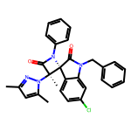
G038 | CC1=C(/C=C/C2=CC(OCC3=CC=CC(C#N)=C3)=C(CNCCO)C=C2Cl)C=CC=C1C4=CC=CC=C4 | 509.05 | 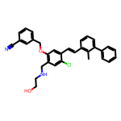
G039 | CC1=C(/C=C/C2=CC(OCC3=CC=CC(C#N)=C3)=C(CNC(CO)C(O)=O)C=C2Cl)C=CC=C1C4=CC=CC=C4 | 553.06 | 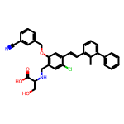
G040 | CC1=C(/C=C/C2=CC(OCC3=CC=CC(C#N)=C3)=C(CNC(C)(C)C(O)=O)C=C2Cl)C=CC=C1C4=CC=CC=C4 | 551.09 | 
G041 | CC1=C(/C=C/C2=CC(OCC3=CC=CC(C#N)=C3)=C(CNCC(O)=O)C=C2Cl)C=CC=C1C4=CC5=C(OCCO5)C=C4 | 581.07 | 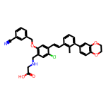
G042 | CC1=C(C2CC2C3=CC(OCC4=CN=CC(C#N)=C4)=C(CNC(CO)C(O)=O)C=C3F)C=CC=C1C5=CC6=C(OCCO6)C=C5 | 609.65 | 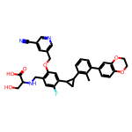
G043 | CC1=C(C2CC2C3=CC(OCC4=CN=CC(C#N)=C4)=C(CNC(C(C)O)C(O)=O)C=C3F)C=CC=C1C5=CC6=C(OCCO6)C=C5 | 623.68 | 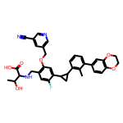
G044 | CC1=C(C2CC2C3=CC(OCC4=CN=CC(C#N)=C4)=C(CNCCO)C=C3F)C=CC=C1C5=CC6=C(OCCO6)C=C5 | 565.65 | 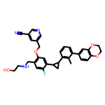
G045 | FC1=C(C2CC2C3=NC(CNCC(CO)O)=CS3)C=CC=C1C4=CC=CC=C4 | 398.5 | 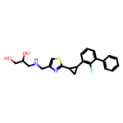
G046 | [H][C@]1(N2N=C(C)C=C2C)[C@](O)(C3=CC=CC=C3)C4=CC=CC=C4N(CC5=CC=CC=C5)C1=O | 423.52 | 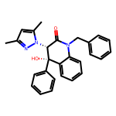
G047 | Br[C@]1(N2N=C(C)C=C2C)[C@](O)(C3=CC=CC=C3)C4=CC=CC=C4N(CC5=CC=CC=C5)C1=O | 502.41 | 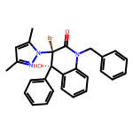
G048 | O[C@@]([C@]1(C2=CC=CC=C2)N3N=CC(Br)=C3)(C4=CC=CC=C4)C5=CC=CC=C5N(CC6=CC=CC=C6)C1=O | 550.46 | 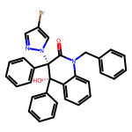
G049 | O=C1[C@](N2N=CC=C2)(C3=CC=CC=C3)[C@@H](NC4=CC=C(C)C=C4)C5=CC=CC(Br)=C5O1 | 474.36 | 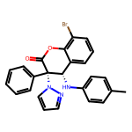
G050 | O=C1[C@](N2N=CC(Br)=C2)(C3=CC=CC=C3)[C@@H](NC4=CC=C(C)C=C4)C5=CC=CC=C5O1 | 474.36 | 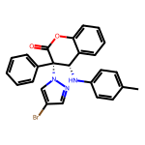
G051 | O=C1[C@](N2N=CC=C2Br)(C3=CC=CC=C3)[C@@H](NC4=CC=C(C)C=C4)C5=CC=CC=C5O1 | 474.36 | 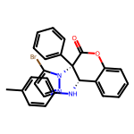
G052 | BrC(C=C1)=CC=C1[C@H](NC2=CC=CC=C2)[C@](C3=CC=CC=C3)(C(OCC)=O)NC(OCC4C(C=CC=C5)=C5C6=C4C=CC=C6)=O | 661.6 | 
G053 | O=C(OCC=C)[C@]([C@@H](NC1=CC=CC=C1)C2=CC=C(Br)C=C2)(C3=CC=CC=C3)NC(OCC4C(C=CC=C5)=C5C6=C4C=CC=C6)=O | 673.61 | 
G054 | BrC(C=C1)=CC=C1[C@H](NC2=CC=CC=C2)[C@@](C3=CC=CC=C3)(C(OCC)=O)NC(OC(C)(C)C)=O | 539.47 | 
G055 | ClC(C=C1)=CC=C1N[C@@H](C2=CC=CC=C2)[C@@](C3=CC=CC=C3)(C(OCC)=O)NC(OC)=O | 452.94 | 
G056 | O=C(OCCBr)C([C@@H](NC1=CC=CC=C1)C2=CC=CC=C2Br)(NC(OCC3=CC=CC=C3)=O)NC(OCC4=CC=CC=C4)=O | 725.43 | 
G057 | O=C(OCC)C([C@@H](NC1=CC=CC=C1)C2=CC=CC=C2Br)(NC(OCC3=CC=CC=C3)=O)NC(OCC4=CC=CC=C4)=O | 646.54 | 
G058 | BrC(C=C1)=CC=C1C(N2C3=CC=C(OC)C=C3)C4(C2=O)OCCCO4 | 404.26 | 
G059 | CC(C=CC=C1)=C1[C@H](NC2=CC=C(OC)C=C2)C3(C(OCC)=O)OCCCO3 | 385.46 | 
G060 | FC(C(C=CC=C1)=C1[C@H](NC2=CC=C(OC)C=C2)C3(C(OCC)=O)OCCCO3)(F)F | 439.43 | 
G061 | O=C(C(OCC)=O)N(C(C1=O)C2=CC=CC=C2N1C)C(C=C3)=CC=C3C | 352.39 | 
G062 | O=C(C(OCC)=O)N(C(C1=O)C2=CC(C)=CC=C2N1CC3=CC=CC=C3)C4=CC=CC=C4 | 428.49 | 
G063 | O=C(C(N(C(C1=O)C2=CC=CC=C2N1CC3=CC=CC=C3)C4=CC=CC=C4)=O)OCC5CC5 | 440.5 | 

